Climate change
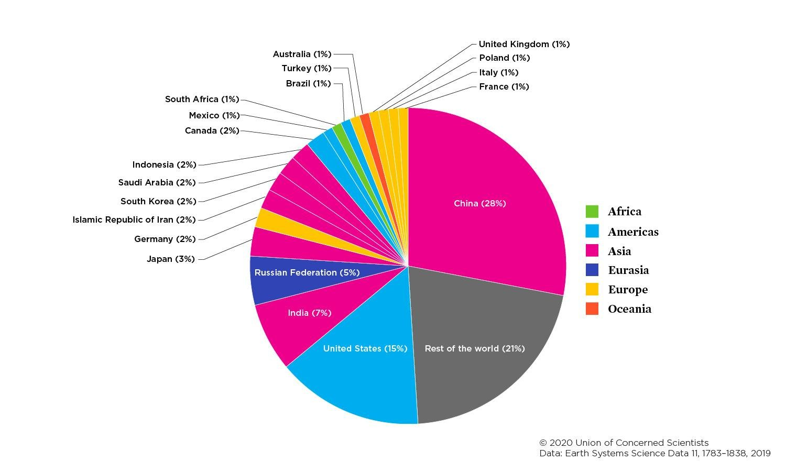
Rank | Country | CO2 Emissions
1 | China | 10.06 GT
2 | United States | 5.41 GT
3 | India | 2.65GT
4 | Russian Federation | 1.71 GT
5 | Japan | 1.16 GT
6 | Germany | 0.75 GT
7 | Islamic Republic of Iran | 0.72 GT
8 | South Korea | 0.65 GT
9 | Saudi Arabia | 0.62 GT
10 | Indonesia | 0.61 GT
11 | Canada | 0.56 GT
12 | Mexico | 0.47 GT
13 | South Africa | 0.46 GT
14 | Brazil | 0.45 GT
15 | Turkey | 0.42 GT
16 | Australia | 0.42 GT
17 | United Kingdom | 0.37 GT
18 | Poland | 0.34 GT
19 | France | 0.33 GT
20 | Itlay | 0.33 GT
21 | Kazakhstan | 0.32 GT

 | The data above in a form of a table and chart show data
 | of each country total CO2 emissions from the combustion of natural gas, oil, and other fuel
 | including non-renewable municipal waste and industrial waste.

